Interface Overview
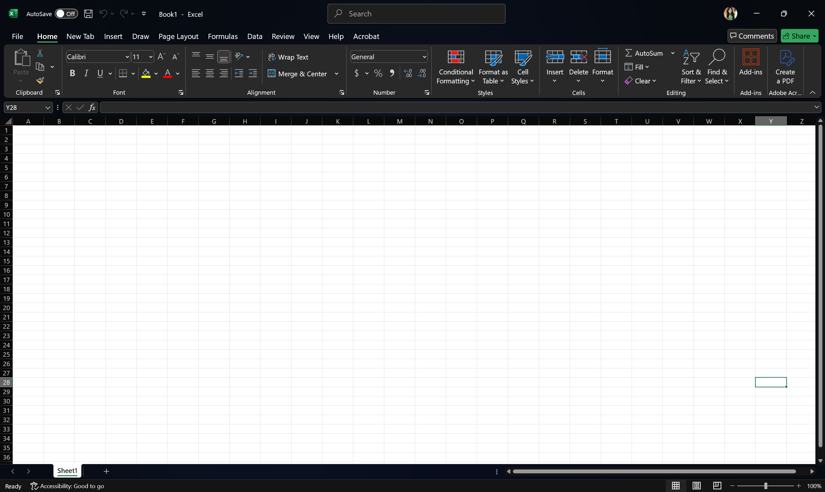

swati

 | tannu

